Sheet1
To use the dynamic routes, we SHOULD provide different types of routes. Using dynamic routes allows us to pass parameters and proces

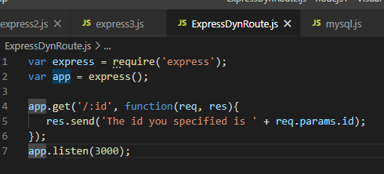

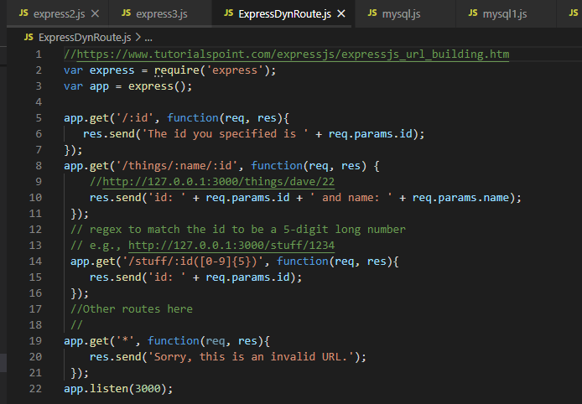

https://www.tutorialspoint.com/expressjs/expressjs_url_building.htm

Routes
https://www.tutorialspoint.com/expressjs/index.htm
Defining routes like above is very tedious to maintain.
Uses routes ... to define resource controllers ...
To separate the routes from our main index.js file,
we will use Express.Router. Create a new file called things.js and type the following in it.

var express = require('express');
var router = express.Router();
router.get('/', function(req, res){
res.send('GET route on things.');
});
router.post('/', function(req, res){
res.send('POST route on things.');
});
//export this router to use in our index.js
module.exports = router;

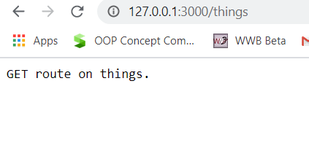

routes_things.js
and routes_man.js

var express = require('Express');
var app = express();
var router = require('./router.js');
//both index.js and things.js should be in same directory
app.use('/things', router);
app.listen(3000);

Routers => separating concerns and keep relevant portions of our code together.
building maintainable code.
You should define your routes relating to an entity in a single file and include it using the above method in your index.js file.
s

Routers sperate concerns and keep relevant portions of our code together.
They help in building maintainable code.
uses a speperate routes file and include it using index.js file

Express post
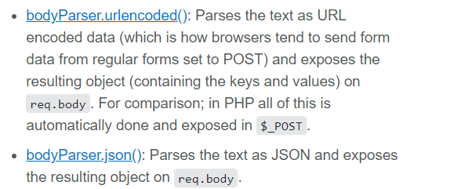
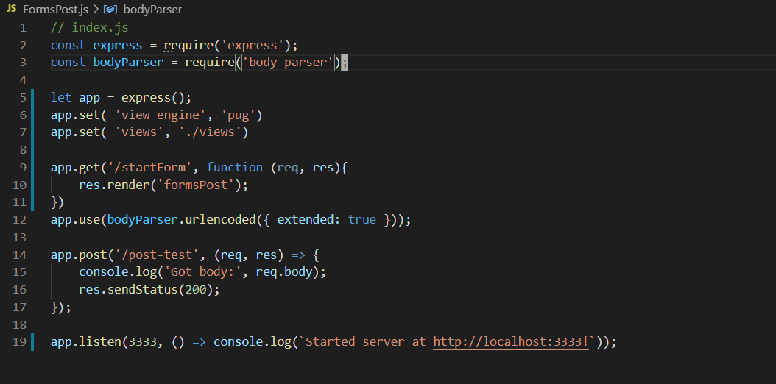
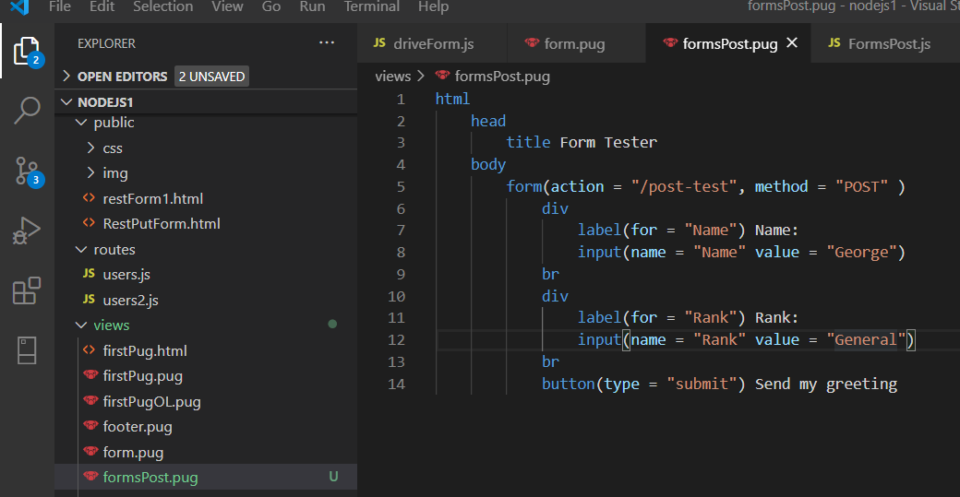
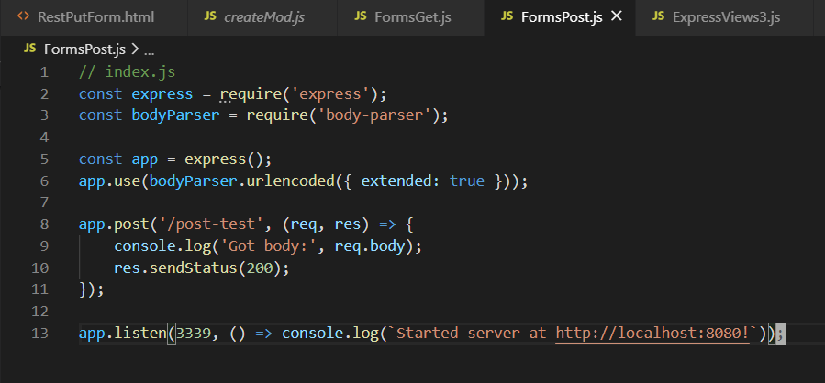
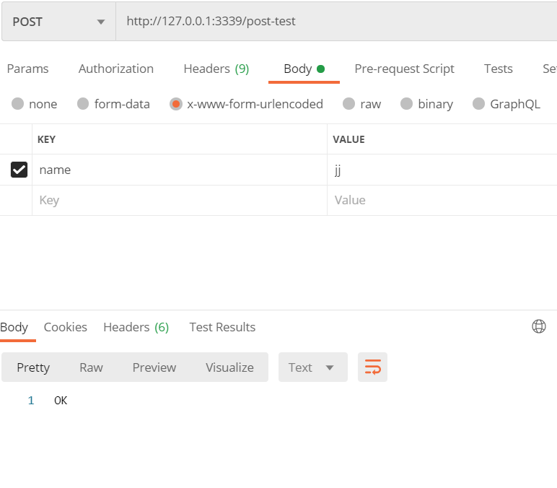

Body-parser is the Node.js body parsing middleware. It is responsible for parsing the incoming request bodies in a middleware before you handle it.

body-parser extract the entire body portion of an incoming request stream and exposes it on req.body.
npm install body-parser --save

Mysql Connect
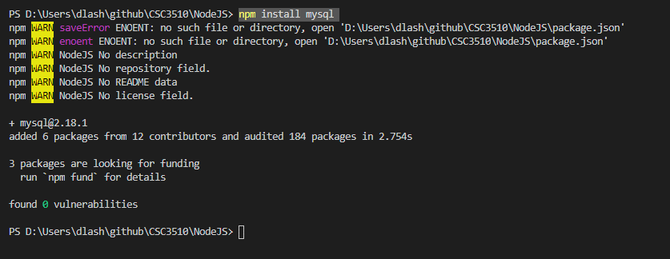

var mysql = require('mysql');
var con = mysql.createConnection({
host: "45.55.136.114",
user: "csc3610",
password: "csc3610",
database: "csc3610"
});
con.connect(function(err) {
if (err) throw err;
con.query("SELECT * FROM BestSellingBooks", function (err, result, fields) {
if (err) throw err;
console.log(result);
});
});
mysql 1

Simple Select
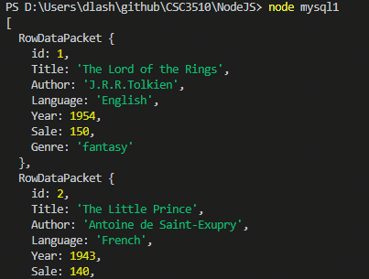

mysql2 ... here we get a mysql table and output a html table

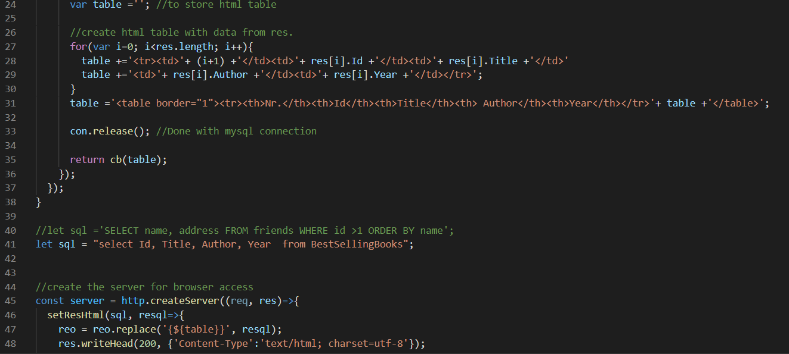

Basic Insert ...

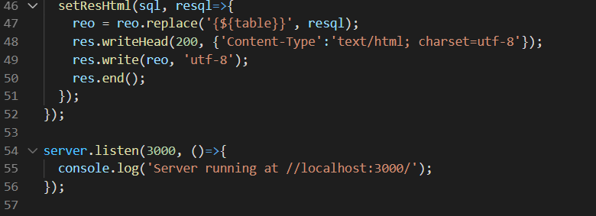

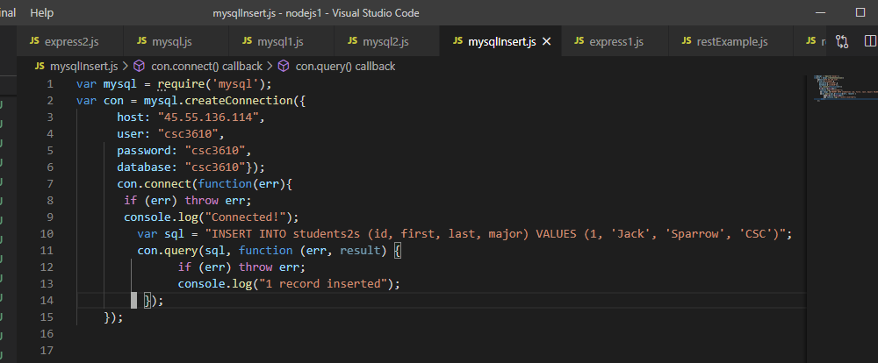

var con = mysql.createConnection({ host: "localhost", user: "yourusername", password: "yourpassword", database: "mydb" }); con.connect(function(err) { if (err) throw err; console.log("Connected!"); var sql = "INSERT INTO customers (name, address) VALUES ('Company Inc', 'Highway 37')"; con.query(sql, function (err, result) { if (err) throw err; console.log("1 record inserted"); }); });

var mysql = require('mysql'); var con = mysql.createConnection({ host: "localhost", user: "yourusername", password: "yourpassword", database: "mydb" }); con.connect(function(err) { if (err) throw err; var sql = "DELETE FROM customers WHERE address = 'Mountain 21'"; con.query(sql, function (err, result) { if (err) throw err; console.log("Number of records deleted: " + result.affectedRows); }); });
basic Delete

var express = require('express');
var app = express();
var mysql = require('mysql');
app.set('view engine', 'pug');
app.set('views','./views');
var con = mysql.createConnection({
host: "45.55.136.114",
user: "csc3610",
password: "csc3610",
database: "csc3610"
});
var bodyParser = require('body-parser');
var multer = require('multer');
const { platform } = require('os');
var upload = multer();
// for parsing application/json
app.use(bodyParser.json());
// for parsing application/xwww-
app.use(bodyParser.urlencoded({ extended: true }));
//form-urlencoded
app.post('/candy', function( req, res){
let item = req.body.item;
let count = req.body.count;
let cost = req.body.cost;
let totalValue = count * cost;
res.send(`recieved your request. <br /> item: ${item} count:${count} and cost:${cost} totalvalue:${totalValue} `);
});
app.get('/', function(req, res){
res.render('insert');
});
app.listen(3000);

MySQL Get All
mysql2.js
mysql1.js

let express = require('express'); let app = express(); var mysql = require('mysql'); const { con } = require("./mySql1"); app.get( '/books', function(req, res){ let objs = []; con.connect(function(err) { if (err) throw err; let sql = "SELECT * FROM BestSellingBooks"; con.query(sql, function (err, result, fields) { if (err) throw err; res.send(result ); }); }); //res.send("THis Is Stuff"); }); let port = 3000; console.log(`Listening on 127.0.0.1:${port}`); app.listen( port );
var mysql = require('mysql'); var con = mysql.createConnection({ host: "45.55.136.114", user: "csc3610", password: "csc3610", database: "csc3610" }); //con.connect(function(err) { //if (err) throw err; //con.query("SELECT * FROM BestSellingBooks", function (err, result, fields) { //if (err) throw err; //console.log(result); //}); //}); module.exports = { con }

REST ALL
let express = require('express'); const app = express(); var mysql = require('mysql'); const { con } = require("./mySql1"); const bodyParser = require('body-parser'); app.use(bodyParser.urlencoded({extended: true})); app.use(bodyParser.json()); app.get( '/candy/:id', function(req, res){ //res.send( `id:${req.params.id} and name:${req.params.name}`); let sql = `SELECT * FROM candy where id=${req.params.id}`; con.query(sql, function (err, result, fields) { if (err) throw err; res.send(result ); }); }); app.get( '/candy', function(req, res){ con.connect(function(err) { if (err) throw err; let sql = "SELECT * FROM candy"; con.query(sql, function (err, result, fields) { if (err) throw err; res.send(result ); }); }); //res.send("THis Is Stuff"); }); app.delete( '/candy/:id', function(req, res){ //res.send( `id:${req.params.id} and name:${req.params.name}`); let sql = `delete FROM candy where id='${req.params.id}'`; console.log(`sql:${sql}`) con.query(sql, function (err, result, fields) { if (err) throw err; res.send( sql ); }); }); app.post( '/candy/', function(req, res){ console.log(`got body:${req.body.firstName}`); console.log(JSON.stringify(req.body, null, 2 )); res.send(JSON.stringify( { firstName: req.body.firstName || null, lastName: req.body.lastName || null })) }); app.post( '/candy/', function(req, res){ // id item count cost totalValue console.log(`got body:${req.body.count}`); console.log(JSON.stringify(req.body, null, 2 )); res.send(JSON.stringify( { item : req.body.item || null, count: req.body.count || null, cost: req.body.cost || null, totalValue: req.body.totalValue || null })) }); app.post( '/candy2/', function(req, res){ console.log(`got body:${req.body.item}`); let i = req.body.item; let c = req.body.count; let ct = req.body.cost; let tv = req.body.totalValue; let sql = `INSERT INTO candy ( item, count, cost, totalValue ) values ( '${i}','${c}', '${ct}', '${tv}')`; console.log(`sql=${sql}`) con.query(sql, function (err, res2, fields) { if (err) { console.log("error: ", err); res.send(JSON.stringify( { error : err })) } console.log("created candy: ", { item : req.body.item }); res.send(JSON.stringify( { item : req.body.item || null, count : req.body.count || null, cost : req.body.cost || null, totalValue : req.body.totalValue || null })); }); }); app.put( '/candy2/:id', function(req, res){ let id=req.params.id; let i = req.body.item; let c = req.body.count; let ct = req.body.cost; let tv = req.body.totalValue; let sql = `UPDATE candy set `; sql += ` item='${i}', count='${c}', cost='${ct}', totalValue='${tv}' `; sql += ` where id=${id}`; console.log(`sql:${sql}`) con.query(sql, function (err, result, fields) { if (err) throw err; res.send(result ); }); //res.send(JSON.stringify( { //item : req.body.item || null, count : req.body.count || null, //cost : req.body.cost || null, //totalValue : req.body.totalValue || null //})); }); let port = 3000; console.log(`Listening on 127.0.0.1:${port}`); app.listen( port );
Body-parser is the Node.js body parsing middleware. It is responsible for parsing the incoming request bodies in a middleware before you handle it.

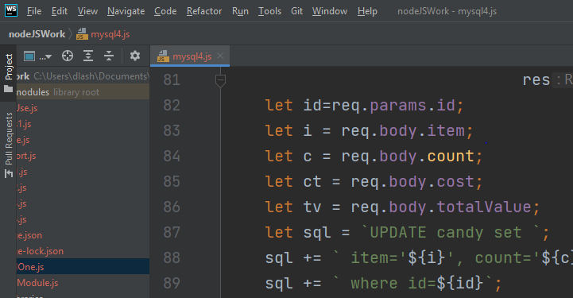

body-parser extract the entire body portion of an incoming request stream and exposes it on req.body.
npm install body-parser --save

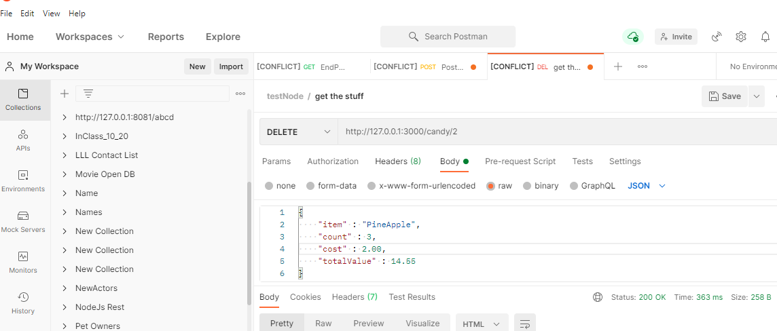

npm

